Dashboard
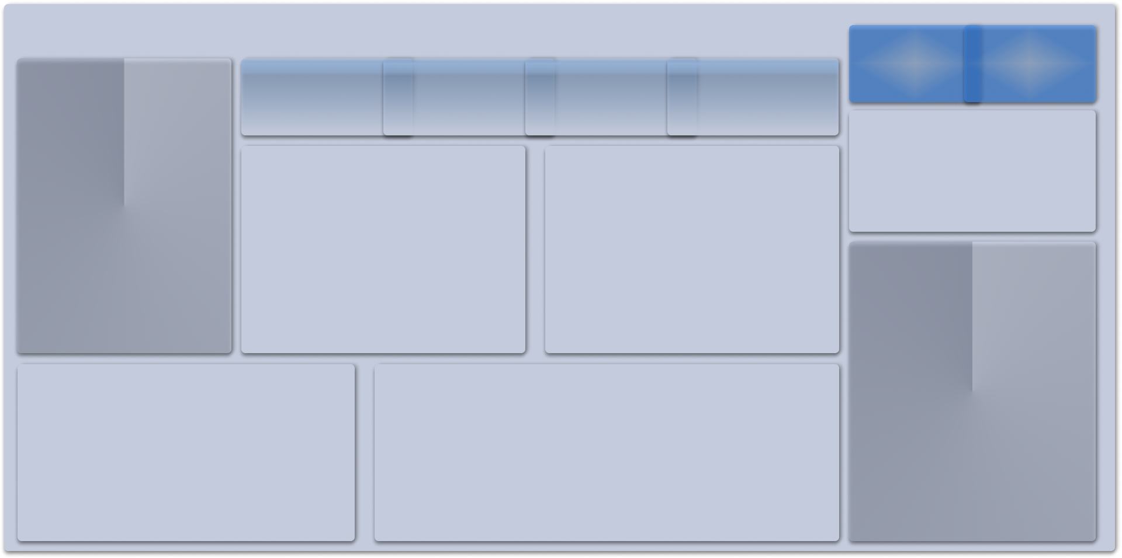
Sales & Marketing Call Center
Male Total Calls
Female Total Calls

Total Calls
Successful Calls
Total Calls
Abandoned Calls

